Formation
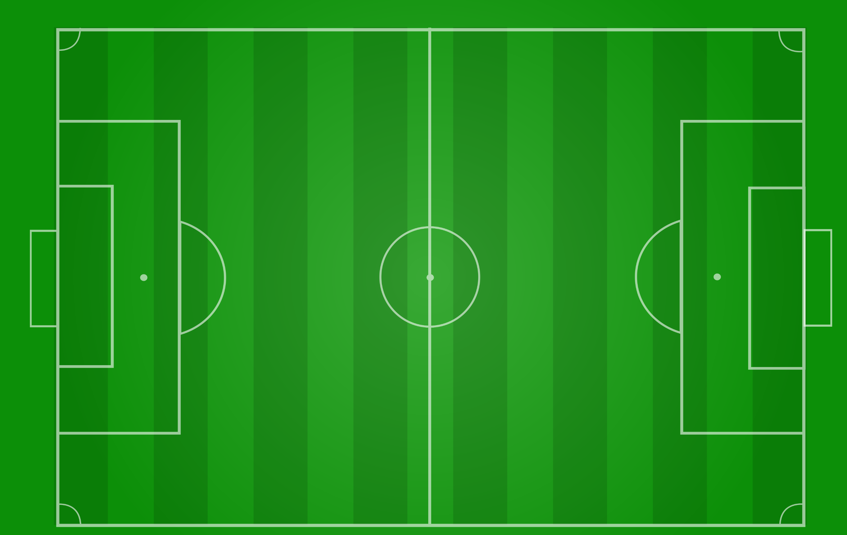

L M

L D

CDM
CAM
S

R D

R M

Formation (2)
L M

L D

CAM

S

CDM

R D

R M

field long 3rds
L M

LEFT THIRD

L D

CAM
CENTRE THIRD

S

CDM

R D

RIGHT THIRD

R M

field zones 3rds
DEFENSE 1/3
L M

L D
MIDDLE 1/3

ATTACKING 1/3
CAM

S

CDM

R D

R M

crossing R
CROSSING AREA

L M

L D

CAM
GK

S

CDM

R D
CROSSING AREA

R M

crossing L
CROSSING AREA

L M

L D

CDM

S
CAM
GK

R D

R M

CROSSING AREA

crossing R (back)
CROSSING AREA

L M

L D

CAM
GK

S

CDM

R D
Option
CROSSING AREA

R M

